Sheet1
 |  | Document No. | Issue No. | Issue Date |  | Review and Replace Date |  | Authorised By
 |  | GFF457MC | 4 | 05.09.2024 |  | 22.06.2026
 |  | Document Title | Gazebo Deli Saag Chicken 1300g
 |  | Product Final weight Changed |  |  | Page |  | 1 of 1 | Magda Shah
Document amendments reason for change |  |  |  |  | Previous Issue Date |  | 01.09.2025 | Uncontrolled copy unless signed original

CCSAA-B1B | GAZEBO DELI - BOOTHS |  | GAZEBO DELI- SAAG CHICKEN 1300g
STEP 1 |  |  |  |  | STEP 2
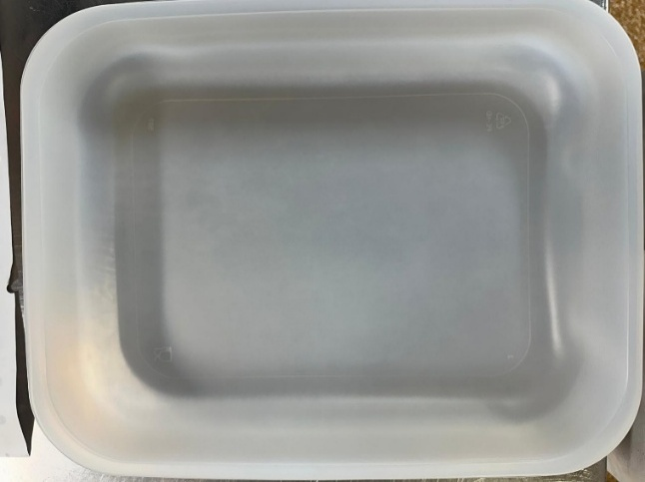 |  |  |  |  | 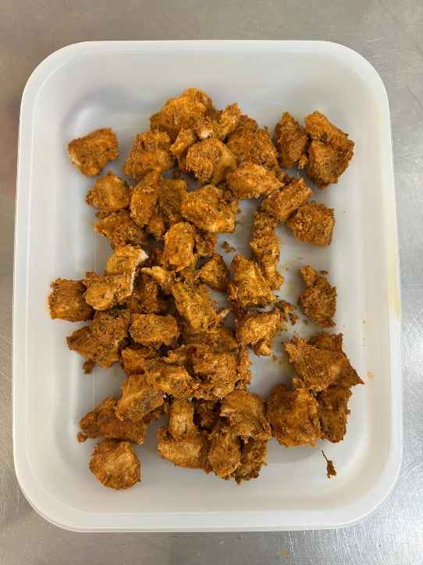

Tray: 597 natural (320x245x50mm) -PKPRO001-20 Film: S340AF 340mmX510mm AF&HB Weld- PKPRO001-17 |  |  |  |  | Chicken Tikka (GFF142R): 430g
STEP 3 |  |  |  |  | STEP 4
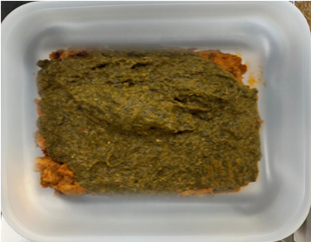 |  |  |  |  | 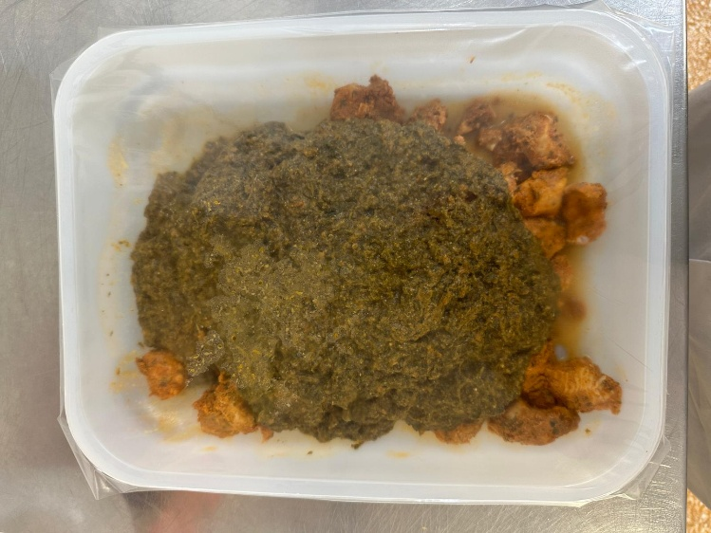

Palak Gravy (GFF491): 870g |  |  |  |  | SAAG CHICKEN 1300g |  |  |  | 1300g
ALLERGY ALERT: Barley, Milk

